Sheet1
 | The Energy and Exergy of Light
 | Heun, Marshall, Aramendia, Brockway
 | Responses to Round 1 reviewer comments

 | Reviewer 1

 | Comment | Response | Responsible | Plan | Status of changes
1.1 | Symbols used in Table 8 should be written in Nomenclature. | This is a good point. We note that Table 8 is placed automatically by LaTeX. We'll check in the proof stage as MDPI will almost certainly change our tables/positions between now and then. | MKH | I think this is a rererence to placement of the table. It is not worth our time to fiddle with table placement prior to receiving the proofs. | DONE
1.2 | Tables 8,9, 10 and 11: it is better to combine the Tables into one nomenclature. | We combined all nomenclature into a single table. | MKH | Make the change that has been suggested. Use the longtable package. | DONE

 | Reviewer 2

 | Comment | Response | Responsible | Plan | Status of changes
2.1 | However, it should be proofread before the final submission. For example, page 2 line 33, "Ahead...Section 2.1, we..." | Comma inserted, as suggested. Thanks! Also, at the reviewer's suggestion, we did another thorough proofread immediately prior to submission. We caught a few errors, which we mark with tracked changed in the manuscript. | MKH | Make any proofreading changes | DONE.
2.2 | However, it should be proofread before the final submission. page 2 line 40, "...sensitivity (see Figure 1). | The section in question seems right to us. The sentence says, "Thus, light is EM radiation … sensitivity." The parenthetical sentence is complete as writtten. "(See Figure 1.)" is an imperative sentence with implied subject "You". No changes were made in response to this particular suggestion. | MKH | Make any proofreading changes | DONE.

 | Reviewer 3

 | Comment | Response | Responsible | Plan | Status of changes
3.1 | The authors have not expressed their own consideration about why the societal exergy analysis is suitable to lighting technology. It is not enough to just cite some references and then to follow the steps in the references. | This is a very helpful comment. It spurred us to be more careful about describing the relationship between societal exergy analysis and lighting. In fact, societal exergy analysis USES results from energy and exergy analysis of lighting to assess how useful energy products enable economic growth. (The question implies the reverse: that societal exergy analysis is applied to lighting, which it is not.) To clarify this issue for the reader, we inserted the following sentence in Section 1.2: "Thus, societal exergy analysis relies upon results from the energy and exergy analysis of lamps and lighting to assess the ways in which useful energy products enable economic growth." | MKH | The reviewer misunderstands SEA. SEA is not a method that is applied to lighting technology. Lighting technology is a PART OF SEA. We should clarify this point in the manuscript so that readers will not be similarly confused. | DONE.
3.2 | As stated in lines 5-6, the societal exergy practitioners conventionally estimate the exergetic efficiency of lamps by an energy efficiency. Why does the conventional estimation bring to confusion and mistakes? What kinds of confusion and mistakes will happen? | This helpful comment refers to the abstract. This comment highlights the fact that we discuss in the body of the paper how the confusion about K_max can lead to mistakes. Specifically, in Section 4.1.2, we show how choosing the wrong K_max can cause a 3.1x or 1.7x error in exergetic efficiency. But the abstract lacked such detail, even in shortened form. To be more specific about the potential problems, we edited the abstract to say "Conventionally, societal exergy practitioners estimate the exergetic efficiency of lamps by an energy efficiency, causing confusion and, sometimes, overestimation of exergetic efficiency by a factor as large as 3." | MKH | The reviewer is referring to the abstract here. We discuss the confusion in the body of the paper. In response to this comment, we should point the reviewer to the place in the body of the paper where we discuss the confusion. We should also consider whether the confusions are highlighted enough in the body of the paper. If not, highlight the confusions and mistakes. | DONE
3.3 | The authors are strongly suggested to have detailed discussion on the motivation. | The sentence we added in Section 1.2 clarifies the motivation for this article. ("Thus, societal exergy analysis relies upon results from the energy and exergy analysis of lamps and lighting to assess the ways in which useful energy products enable economic growth.") Further, we direct attention to key sentences in the introduction that discuss the motivation for the paper. "Clearly, there are many options for Kmax, and its value has a large effect on the valuable exergetic efficiency of lighting in the conventional method (Equation 3). So getting it right is important." And "Although the confusion around maximum luminous efficacy (Kmax) is sufficient motivation to dig deeper to fully understand and define the exergy of light and the exergetic efficiency of lamps, further issues and confusions await. (See Section 4.) Thus, there is ample need for clarity and rigor about the thermodynamics of artificial lighting." | MKH | I think we provided a detailed discussion of the motivation. We should review that discussion and decide whether to enhance that discussion. I expect that making a simple enhancement will suffice for the reviewer. | DONE
3.4 | One of the most bases of the discussion throughout the manuscript is the application of the second law of thermodynamics, for example in the lines 146-148. As a matter of fact, the second law of thermodynamics does hold in isolated systems. However, the general lighting systems are closed systems rather than isolated ones. Will it take any changes? | The reviewer brings up a very good point here. And the most important place where we used the second law to support our analysis is where we said "... because the second law of thermodynamics states that exergy is always destroyed ..." That phrasing unnecessarily raised the issue of closed vs. isloated systems. Upon further reflection, we don't need to rely upon the second law to make our case at all, thereby sidestepping any potential confusion about closed vs. isolated systems. Instead, we can simply note that all real machines (including including heat engines and lamps) are internally irreversible. Thus, all real processes destroy exergy. To reflect this simpler, more-direct, and unambiguous approach, we rewrote the sentence in question to say "... because all real processes are internally irreversible, such that ...". | MKH | Perhaps we should back away from 2nd Law language and consider exergy accounting language. We are actually doing exergy accounting, anyway.
3.5 | In the figure caption of Fig. 1, it mentions “...the color matching function provided in the R package...”. However, the photopic luminous weighting function usually cite to the formal CIE publications. R packages are not the most original citation sources. | We have added the coreect CIE reference for the 10 deg CMF function. | ZM | Add a reference to the CIE weighting function in the Fig. 1 caption. Add this in addition to the ggspectra reference and say that ggspectra implements the CIE function. | DONE
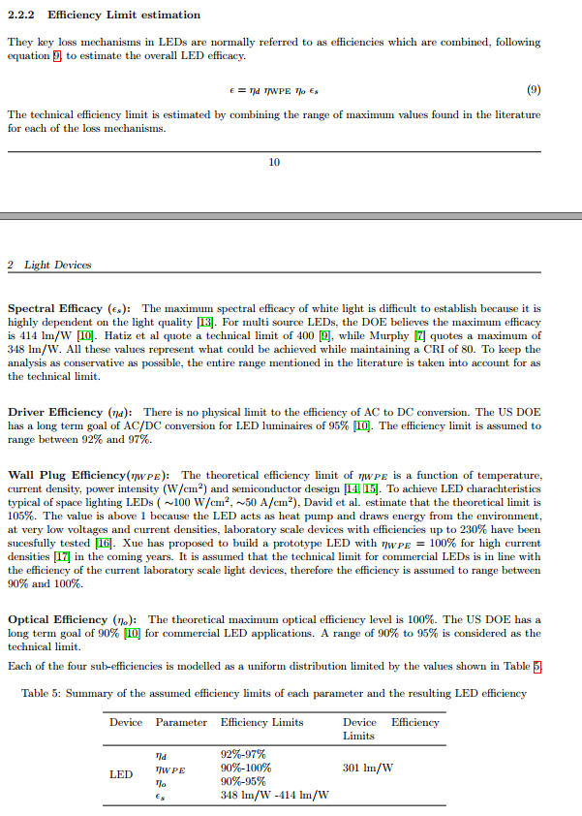
3.6 | According to the recommendations from CIE, the range of human retinal sensitivity is from 380 nm to 780 nm. In line 39, eq. (31), and table 2, the upper limit 780 nm is wrongly taken as 750 nm. | We have changed the upper limit of the visible spectrum from 750 to 780 throughout the paper: in the text, in the calculations, and in results. | ZM | Investigate and decide whether to change to 780 nm. What implications will that have in the calculations and throughout the paper? ZM: I have now extended the upper limit of the visible spectrum throughout the paper from 750nm to 780nm. | DONE
3.7 | The paragraph in lines 86-91 is described in a very confusing expression. The luminous efficacy 284-350 lm/W is not including any energy loss, and just focuses on the effect of the photopic luminous weighting function itself only. For the completeness, it is called as THE LUMINOUS EFFICACY OF RADIATION. On the other hand, the electric wall-plugging efficiency, the internal efficiency, the extraction efficiency, the optic utilization factor are combined into THE LUMINOUS EFFICACY OF A SOURCE for the energy conversion efficiency. | We have emphasised that Paoli & Cullen's estimate of 284-350 lm/W includes all of the reviewer's aforemented inefficiencies, which Paoli & Cullen term: Driver efficiency, Wall Plug efficiency, Optical efficiency, and Spectral efficiency. The estimate of 284-350 lm/W is therefore the luminous efficacy of the source. The luminous efficacy of radiation, which refers to the effect of the photopic luminosity function alone is termed the Spectral efficiency by Paoli & Cullen, and equal to 348-414 lm/W. This information can be found in Section 2.2.2 of the SI of Paoli & Cullen (2020). In response to this comment, we modified the wording of the paragraph to improve clairty. | ZM | Diagnose the problem by discerning where the confusion emerges from this paragraph. Rewrite for clarity. | DONE
3.8 | In the section of 2.1.1, all the upper dots over the variables should be deleted. It discusses on the energy conversion, rather than on the temporal change rate of the energies. | This is a very helpful comment, and it caused is to think carefully about our nomenclature. There are two typical meanings for overdots in the engineering literature. (a) The overdot can signify a first derivative with respect to time, as is typical in noise and vibration literature. An example would be x_dot meaning the first derivative of position (x) with respect to time, or velocity. (b) The overdot can also signify a flow rate, as is typical in the energy literature. Example of this second meaning is Q_dot for a heat transfer rate (in J/s or watts) or m_dot for a mass flow rate (in kg/s). We are using the overdot in the second sense to signify rates of energy and exergy flows during steady-state operation. To clarify the nomenclature, we added a sentence to the body of the paper: "(Note that the overdot notation, such as $\dot{E}$ and $\dot{X}$, indicates a steady state rate of energy or exergy flow.)" We further added a sentence to the nomenclature section: "Note that an overdot (e.g., $\dot{x}$) indicates a steady state rate, not a first derivative with respect to time." | MKH | I strongly disagree with making this change. The reviewer misunderstands the overdots as derivatives with respect time. In our nomenclature, the overdots indicate flow rates. We should be clearer about the meaning of the overdots in the nomenclature section, and we should note that neither of the other reviewers suggested this change. | DONE
3.9 | The equations (8) and (14) needs well arrangement such as to reduce the confusion. | We split equations onto their own lines in several places in the paper. | MKH | Split equations to their own lines. | DONE
3.10 | The authors mush give some proof of the three proposed methods to demonstrate the results are meaningful. | A comparison between the results of the final-to-useful efficiency of the four lamps using the three methods (conventional, exact, approximate) can be found in Table 7. The point of Table 7 is that the 2nd and 3rd rows are close, which indicates that the approximate method provides a reasonable approximation. | ZM | I'll take the "three proposed methods" to be our three recommendations: exact method, universal luminous weighting function, and approximate method. I'm not sure what the reviewer means by "proof" of the three proposed methods. There is nothing to "prove," mathematically. And we already give example results for the methods. Review the manuscript to see if there is a way to gather results from the three recommendations into a single table or graph that would allow easier comparison of the recommendations. | DONE
3.11 | Will the overall average values (0.956 and 1.36) used in Eq. (44) work for all lamps? and Why? | These overall values will work for all major lamp types, as they were calculated from a sample of 45 lamps of six major lamp types (INC, HAL, CFL, LED, HPS, MH), these values showed small standard deviation values. This is discussed from line 495 on page 18. That said, there is further work to be done. In Section 5, we suggest increasing the sample size used to calculate these average conversion factors. | ZM | Add a sentence or two that narrows the claim to the lamps we studied. We could say that "in the absence of any better information, these values are recommended. ZM: I have not added any further text as I believe we have covered this ground sufficiently. | DONE

